Client0
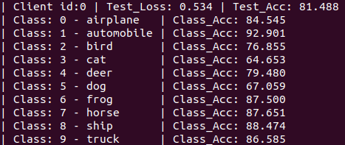
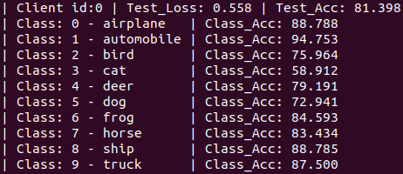
Client 0 |  | CIFAR-10

#Group | Group Name | AFL Class Accuracy % | FedAvg Class Accuracy % | Difference |  | Per-client bias of the global model towards local groups
0 | airplane | 84.545 | 88.788 | -4.243
1 | automobile | 92.901 | 94.753 | -1.852 |  |  | AFL | 28.248
2 | bird | 76.855 | 75.964 | 0.891 |  |  | FedAvg | 35.841
3 | cat | 64.653 | 58.912 | 5.741
4 | deer | 79.48 | 79.191 | 0.289
5 | dog | 67.059 | 72.941 | -5.882 |  | Lesser bias |  | 28.248
6 | frog | 87.5 | 84.593 | 2.907 |  | Better technique |  | AFL
7 | horse | 87.651 | 83.434 | 4.217
8 | ship | 88.474 | 88.785 | -0.311
9 | truck | 86.585 | 87.5 | -0.915

 | Max | 92.901 | 94.753
 | Min | 64.653 | 58.912

 |  | AFL |  |  | FedAvg

Client1
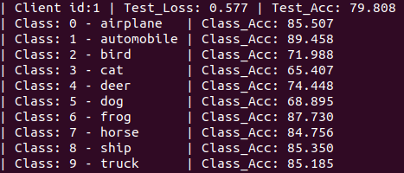
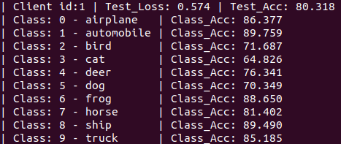
Client 1 |  | CIFAR-10

#Group | Group Name | AFL Class Accuracy % | FedAvg Class Accuracy % | Difference | Per-client bias of the global model towards local groups
0 | airplane | 85.507 | 86.377 | -0.87
1 | automobile | 89.458 | 89.759 | -0.301 |  | AFL | 24.051
2 | bird | 71.988 | 71.687 | 0.301 |  | FedAvg | 24.933
3 | cat | 65.407 | 64.826 | 0.581
4 | deer | 74.448 | 76.341 | -1.893
5 | dog | 68.895 | 70.349 | -1.454 | Lesser bias |  | 24.051
6 | frog | 87.73 | 88.65 | -0.92 | Better technique |  | AFL
7 | horse | 84.756 | 81.402 | 3.354
8 | ship | 85.35 | 89.49 | -4.14
9 | truck | 85.185 | 85.185 | 0

 | Max | 89.458 | 89.759
 | Min | 65.407 | 64.826

 |  | AFL |  |  | FedAvg

Client2
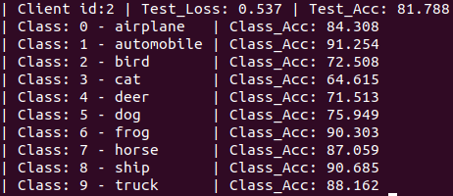
Client 2 |  | CIFAR-10

#Group | Group Name | AFL Class Accuracy % | FedAvg Class Accuracy % | Difference | Per-client bias of the global model towards local groups
0 | airplane | 83.692 | 84.308 | -0.616
1 | automobile | 92.42 | 91.254 | 1.166 |  | AFL | 22.483
2 | bird | 76.737 | 72.508 | 4.229 |  | FedAvg | 26.639
3 | cat | 71.077 | 64.615 | 6.462
4 | deer | 73.294 | 71.513 | 1.781
5 | dog | 69.937 | 75.949 | -6.012 | Lesser bias |  | 22.483
6 | frog | 88.788 | 90.303 | -1.515 | Better technique |  | AFL
7 | horse | 88.824 | 87.059 | 1.765
8 | ship | 88.767 | 90.685 | -1.918
9 | truck | 88.785 | 88.162 | 0.623

 | Max | 92.42 | 91.254
 | Min | 69.937 | 64.615

 |  | AFL |  |  | FedAvg

